Question 1
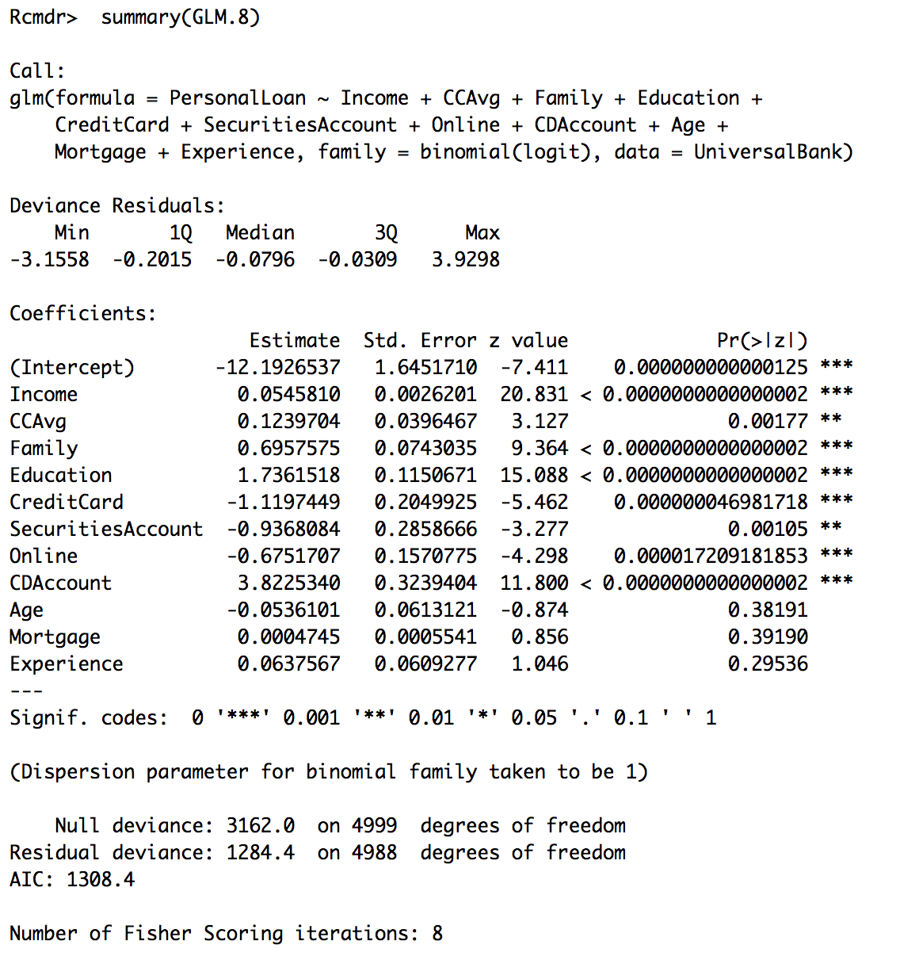
Logit - Rcmdr Tool |  |  |  |  | Logit - Excel Function

Estimate | Coefficients: | Std.Error | z value | Pr(>|z|) | Variables | Coefficient | Input Value | Value
(Intercept) | -12.1926537 | 1.645171 | -7.411 | <0.000000000000125 | (Intercept) | -12.1926537 | 1 | -12.1926537
Income | 0.054581 | 0.0026201 | 20.831 | <0.0000000000000002 | Income | 0.054581 | 80 | 4.36648
CCAvg | 0.1239704 | 0.0396467 | 3.127 | <0.00177 | CCAvg | 0.1239704 | 2.5 | 0.309926
Family | 0.6957575 | 0.0743035 | 9.364 | <0.0000000000000002 | Family | 0.6957575 | 4 | 2.78303
Education | 1.7361518 | 0.1150671 | 15.088 | <0.0000000000000002 | Education | 1.7361518 | 3 | 5.2084554
CreditCard | -1.1197449 | 0.2049925 | -5.462 | <0.000000046981718 | CreditCard | -1.1197449 | 1 | -1.1197449
SecuritiesAccount | -0.9368084 | 0.2858666 | -3.277 | <0.00105 | SecuritiesAccount | -0.9368084 | 1 | -0.9368084
Online | -0.6751707 | 0.1570775 | -4.298 | <0.000017209181853 | Online | -0.6751707 | 0 | 0
CDAccount | 3.822534 | 0.3239404 | 11.8 | <0.0000000000000002 | CDAccount | 3.822534 | 1 | 3.822534
Age | -0.0536101 | 0.0613121 | -0.874 | 0.38191 | Age | -0.0536101 | 40 | -2.144404
Mortgage | 0.0004745 | 0.0005541 | 0.856 | 0.3919 | Mortgage | 0.0004745 | 100 | 0.04745
Experience | 0.0637567 | 0.0609277 | 1.046 | 0.29536 | Experience | 0.0637567 | 15 | 0.9563505

(Intercept) | Always 1
Personal Loan | did the customer accept the personal load offered (1=Yes, 0=No) |  |  |  |  |  | U --> Sum= | 1.1006149
Age | customer’s age |  |  |  |  |  | EXP(U) | 3.0060138537
Experience | number of years of profession experience |  |  |  |  |  | 1+EXP(U) | 4.0060138537
Income | annual income of the customer ($000) |  |  |  |  |  | Probability | 75%
Zip Code | home address zip code
Family | family size of customer
CCAvg | average spending on credit cards per month ($000)
Education | education level (1) undergraduate, (2) graduate, (3) advanced/professional
Mortgage | value of house mortgage ($000)
Securities | does the customer have a securities account with the bank? (1=Yes, 0=No)
CDAccount | does the customer have a certificate of deposit with the bank? (1=Yes, 0=No)
Online | does the customer use Internet banking facilities (1=Yes, 0=No)
CreditCard | does the customer use a credit card issued by Universal Bank? (1=Yes, 0=No)

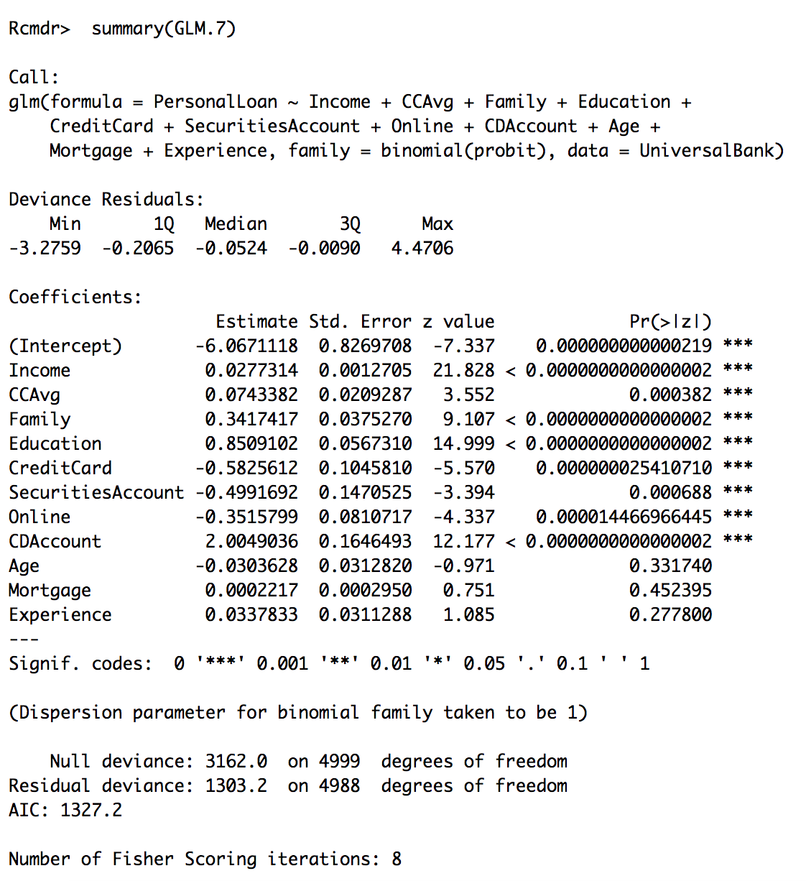
Probit - Rcmdr Tool |  |  |  |  | Probit - Excel Function

Estimate | Coefficients: | Std.Error | z value | Pr(>|z|) | Variables | Coefficient | Input Value | Value
(Intercept) | -6.0671118 | 0.8269708 | -7.337 | <0.000000000000219 | (Intercept) | -6.0671118 | 1 | -6.0671118
Income | 0.0277314 | 0.0012705 | 21.828 | <0.0000000000000002 | Income | 0.0277314 | 80 | 2.218512
CCAvg | 0.0743382 | 0.0209287 | 3.552 | <0.000382 | CCAvg | 0.0743382 | 2.5 | 0.1858455
Family | 0.3417417 | 0.037527 | 9.107 | <0.0000000000000002 | Family | 0.3417417 | 4 | 1.3669668
Education | 0.8509102 | 0.056731 | 14.999 | <0.0000000000000002 | Education | 0.8509102 | 3 | 2.5527306
CreditCard | -0.5825612 | 0.104581 | -5.57 | <0.00000002541071 | CreditCard | -0.5825612 | 1 | -0.5825612
SecuritiesAccount | -0.4991692 | 0.1470525 | -3.394 | <0.000688 | SecuritiesAccount | -0.4991692 | 1 | -0.4991692
Online | -0.3515799 | 0.0810717 | -4.337 | <0.000014466966445 | Online | -0.3515799 | 0 | 0
CDAccount | 2.0049036 | 0.1646493 | 12.177 | <0.0000000000000002 | CDAccount | 2.0049036 | 1 | 2.0049036
Age | -0.0303628 | 0.031282 | -0.971 | 0.33174 | Age | -0.0303628 | 40 | -1.214512
Mortgage | 0.0002217 | 0.000295 | 0.751 | 0.452395 | Mortgage | 0.0002217 | 100 | 0.02217
Experience | 0.0337833 | 0.0311288 | 1.085 | 0.2778 | Experience | 0.0337833 | 15 | 0.5067495

 |  |  |  |  |  |  | U --> Sum= | 0.4945238
 |  |  |  |  |  | Probability (Norm.S.Dist) |  | 69%

Question 2 & 3
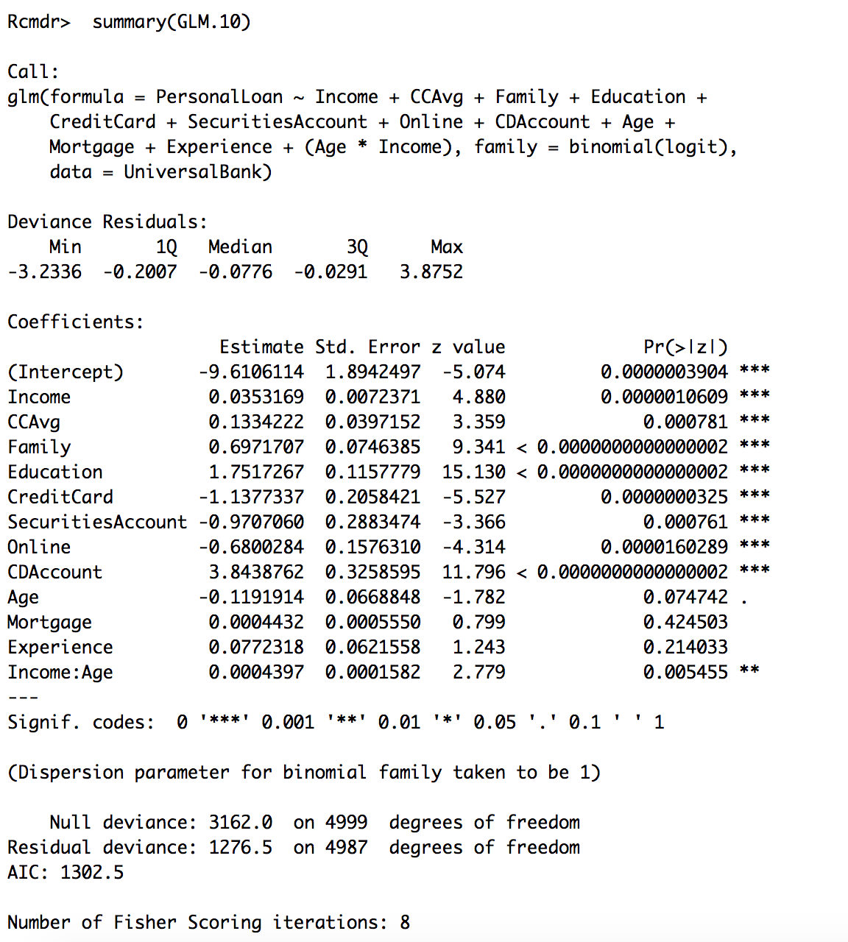
Logit - Rcmdr Tool |  |  |  |  |  | Logit - Excel Function

Estimate | Coefficients: | Std.Error | z value | Pr(>|z|) |  | Variables | Coefficient | Input Value | Value |  |  | Family
(Intercept) | -9.6106114 | 1.8942497 | -5.074 | <0.0000003904 |  | (Intercept) | -9.6106114 | 1 | -9.6106114 |  | 76% | 1 | 2 | 3 | 4 | 5 | 6 | 7
Income | 0.0353169 | 0.0072371 | 4.88 | <0.0000010609 |  | Income | 0.0353169 | 80 | 2.825352 | Income | 0 | 1% | 1% | 2% | 4% | 9% | 16% | 27%
CCAvg | 0.1334222 | 0.0397152 | 3.359 | <0.000781 |  | CCAvg | 0.1334222 | 2.5 | 0.3335555 |  | 5 | 1% | 1% | 3% | 6% | 11% | 20% | 33%
Family | 0.6971707 | 0.0746385 | 9.341 | <0.0000000000000002 |  | Family | 0.6971707 | 4 | 2.7886828 |  | 10 | 1% | 2% | 4% | 7% | 14% | 24% | 39%
Education | 1.7517267 | 0.1157779 | 15.13 | <0.0000000000000002 |  | Education | 1.7517267 | 3 | 5.2551801 |  | 15 | 1% | 3% | 5% | 9% | 17% | 29% | 46%
CreditCard | -1.1377337 | 0.2058421 | -5.527 | <0.0000000325 |  | CreditCard | -1.1377337 | 1 | -1.1377337 |  | 20 | 2% | 3% | 6% | 12% | 21% | 35% | 52%
SecuritiesAccount | -0.970706 | 0.2883474 | -3.366 | <0.000761 |  | SecuritiesAccount | -0.970706 | 1 | -0.970706 |  | 25 | 2% | 4% | 8% | 15% | 26% | 41% | 59%
Online | -0.6800284 | 0.157631 | -4.314 | <0.0000160289 |  | Online | -0.6800284 | 0 | 0 |  | 30 | 3% | 5% | 10% | 19% | 31% | 48% | 65%
CDAccount | 3.8438762 | 0.3258595 | 11.796 | <0.0000000000000002 |  | CDAccount | 3.8438762 | 1 | 3.8438762 |  | 35 | 4% | 7% | 13% | 23% | 37% | 55% | 71%
Age | -0.1191914 | 0.0668848 | -1.782 | 0.074742 |  | Age | -0.1191914 | 40 | -4.767656 |  | 40 | 5% | 9% | 16% | 28% | 44% | 61% | 76%
Mortgage | 0.0004432 | 0.000555 | 0.799 | 0.424503 |  | Mortgage | 0.0004432 | 100 | 0.04432 |  | 45 | 6% | 11% | 20% | 34% | 50% | 67% | 80%
Experience | 0.0772318 | 0.0621558 | 1.243 | 0.214033 |  | Experience | 0.0772318 | 15 | 1.158477 |  | 50 | 8% | 14% | 25% | 40% | 57% | 73% | 84%
Income:Age | 0.0004397 | 0.0001582 | 2.779 | 0.005455 |  | Income:Age | 0.0004397 | 3200 | 1.40704 |  | 55 | 10% | 18% | 30% | 46% | 63% | 78% | 87%
 |  |  |  |  |  |  |  |  |  |  | 60 | 12% | 22% | 36% | 53% | 69% | 82% | 90%
 |  |  |  |  |  |  |  | U --> Sum= | 1.1697765 |  | 65 | 15% | 27% | 42% | 59% | 75% | 85% | 92%
(Intercept) | Always 1 |  |  |  |  |  |  | EXP(U) | 3.2212726036 |  | 70 | 19% | 32% | 49% | 65% | 79% | 88% | 94%
Income | Income of Customer in Thousands USD |  |  |  |  |  |  | 1+EXP(U) | 4.2212726036 |  | 75 | 23% | 38% | 55% | 71% | 83% | 91% | 95%
CCAvg | Credit Average |  |  |  |  |  |  | Probability | 76% |  | 80 | 28% | 44% | 62% | 76% | 87% | 93% | 96%
Family | Family Size |  |  |  |  |  |  |  |  |  | 85 | 34% | 51% | 68% | 81% | 89% | 94% | 97%
Education | Education Level (1,2,3) |  |  |  |  |  |  |  |  |  | 90 | 40% | 58% | 73% | 85% | 92% | 96% | 98%
CreditCard | Does Customer have Credit Cards (0 or 1) |  |  |  |  |  |  |  |  |  | 95 | 47% | 64% | 78% | 88% | 93% | 97% | 98%
SecuritiesAccount | Does Customer have Securities Account (0 or 1) |  |  |  |  |  |  |  |  |  | 100 | 53% | 70% | 82% | 90% | 95% | 97% | 99%
Online | Applied through Online (0 or 1) |  |  |  |  |  |  |  |  |  | 105 | 60% | 75% | 86% | 92% | 96% | 98% | 99%
CDAccount | Checkings/Deposit Account ( 0 or 1) |  |  |  |  |  |  |  |  |  | 110 | 66% | 80% | 89% | 94% | 97% | 98% | 99%
Age | Customer's Age |  |  |  |  |  |  |  |  |  | 115 | 72% | 84% | 91% | 95% | 98% | 99% | 99%
Mortgage | Current Mortgage in Thousands USD |  |  |  |  |  |  |  |  |  | 120 | 77% | 87% | 93% | 96% | 98% | 99% | 100%
Experience | Professional Experience (Number of years) |  |  |  |  |  |  |  |  |  | 125 | 81% | 90% | 95% | 97% | 99% | 99% | 100%
Income:Age | Income times Age as Moderating effect |  |  |  |  |  |  |  |  |  | 130 | 85% | 92% | 96% | 98% | 99% | 99% | 100%
 |  |  |  |  |  |  |  |  |  |  | 135 | 88% | 94% | 97% | 98% | 99% | 100% | 100%
 |  |  |  |  |  |  |  |  |  |  | 140 | 90% | 95% | 97% | 99% | 99% | 100% | 100%
 |  |  |  |  |  |  |  |  |  |  | 145 | 93% | 96% | 98% | 99% | 100% | 100% | 100%
 |  |  |  |  |  |  |  |  |  |  | 150 | 94% | 97% | 98% | 99% | 100% | 100% | 100%
 |  |  |  |  |  |  |  |  |  |  | 155 | 95% | 98% | 99% | 99% | 100% | 100% | 100%
 |  |  |  |  |  |  |  |  |  |  | 160 | 96% | 98% | 99% | 100% | 100% | 100% | 100%
 |  |  |  |  |  |  |  |  |  |  | 165 | 97% | 99% | 99% | 100% | 100% | 100% | 100%
 |  |  |  |  |  |  |  |  |  |  | 170 | 98% | 99% | 99% | 100% | 100% | 100% | 100%
 |  |  |  |  |  |  |  |  |  |  | 175 | 98% | 99% | 100% | 100% | 100% | 100% | 100%
 |  |  |  |  |  |  |  |  |  |  | 180 | 99% | 99% | 100% | 100% | 100% | 100% | 100%
 |  |  |  |  |  |  |  |  |  |  | 185 | 99% | 100% | 100% | 100% | 100% | 100% | 100%
 |  |  |  |  |  |  |  |  |  |  | 190 | 99% | 100% | 100% | 100% | 100% | 100% | 100%
 |  |  |  |  |  |  |  |  |  |  | 195 | 99% | 100% | 100% | 100% | 100% | 100% | 100%
 |  |  |  |  |  |  |  |  |  |  | 200 | 100% | 100% | 100% | 100% | 100% | 100% | 100%
 |  |  |  |  |  |  |  |  |  |  | 205 | 100% | 100% | 100% | 100% | 100% | 100% | 100%
 |  |  |  |  |  |  |  |  |  |  | 210 | 100% | 100% | 100% | 100% | 100% | 100% | 100%
 |  |  |  |  |  |  |  |  |  |  | 215 | 100% | 100% | 100% | 100% | 100% | 100% | 100%
 |  |  |  |  |  |  |  |  |  |  | 220 | 100% | 100% | 100% | 100% | 100% | 100% | 100%
 |  |  |  |  |  |  |  |  |  |  | 225 | 100% | 100% | 100% | 100% | 100% | 100% | 100%
 |  |  |  |  |  |  |  |  |  |  | 230 | 100% | 100% | 100% | 100% | 100% | 100% | 100%
 |  |  |  |  |  |  |  |  |  |  | 235 | 100% | 100% | 100% | 100% | 100% | 100% | 100%
 |  |  |  |  |  |  |  |  |  |  | 240 | 100% | 100% | 100% | 100% | 100% | 100% | 100%
 |  |  |  |  |  |  |  |  |  |  | 245 | 100% | 100% | 100% | 100% | 100% | 100% | 100%
 |  |  |  |  |  |  |  |  |  |  | 250 | 100% | 100% | 100% | 100% | 100% | 100% | 100%

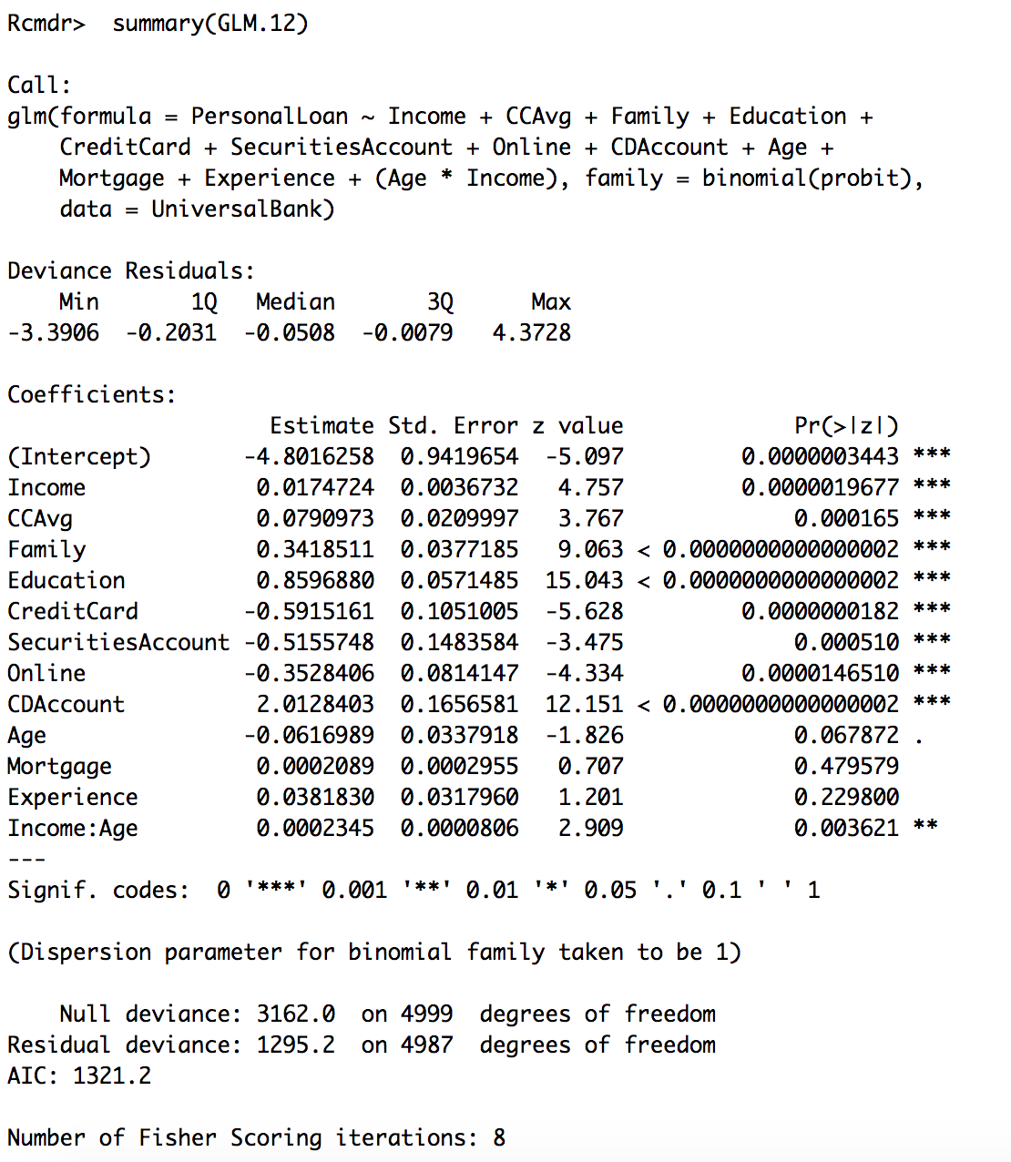
 |  |  |  |  |  |  |  |  |  |  |  | Family
Probit - Rcmdr Tool |  |  |  |  |  | Probit - Excel Function |  |  |  |  | 70% | 1 | 2 | 3 | 4 | 5 | 6 | 7
 |  |  |  |  |  |  |  |  |  | Income | 0 | 0% | 1% | 2% | 5% | 10% | 17% | 27%
Estimate | Coefficients: | Std.Error | z value | Pr(>|z|) |  | Variables | Coefficient | Input Value | Value |  | 5 | 1% | 1% | 3% | 7% | 13% | 21% | 32%
(Intercept) | -4.8016258 | 0.9419654 | -5.097 | <0.0000003443 |  | (Intercept) | -4.8016258 | 1 | -4.8016258 |  | 10 | 1% | 2% | 4% | 9% | 15% | 25% | 37%
Income | 0.0174724 | 0.0036732 | 4.757 | <0.0000019677 |  | Income | 0.0174724 | 80 | 1.397792 |  | 15 | 1% | 3% | 6% | 11% | 19% | 29% | 42%
CCAvg | 0.0790973 | 0.0209997 | 3.767 | <0.000165 |  | CCAvg | 0.0790973 | 2.5 | 0.19774325 |  | 20 | 2% | 4% | 8% | 14% | 23% | 34% | 47%
Family | 0.3418511 | 0.0377185 | 9.063 | <0.0000000000000002 |  | Family | 0.3418511 | 4 | 1.3674044 |  | 25 | 2% | 5% | 10% | 17% | 27% | 39% | 53%
Education | 0.859688 | 0.0571485 | 15.043 | <0.0000000000000002 |  | Education | 0.859688 | 3 | 2.579064 |  | 30 | 3% | 7% | 12% | 21% | 32% | 45% | 58%
CreditCard | -0.5915161 | 0.1051005 | -5.628 | <0.0000000182 |  | CreditCard | -0.5915161 | 1 | -0.5915161 |  | 35 | 4% | 9% | 15% | 25% | 37% | 50% | 63%
SecuritiesAccount | -0.5155748 | 0.1483584 | -3.475 | <0.00051 |  | SecuritiesAccount | -0.5155748 | 1 | -0.5155748 |  | 40 | 6% | 11% | 19% | 29% | 42% | 55% | 68%
Online | -0.3528406 | 0.0814147 | -4.334 | <0.000014651 |  | Online | -0.3528406 | 0 | 0 |  | 45 | 7% | 14% | 22% | 34% | 47% | 60% | 73%
CDAccount | 2.0128403 | 0.1656581 | 12.151 | <0.0000000000000002 |  | CDAccount | 2.0128403 | 1 | 2.0128403 |  | 50 | 10% | 17% | 27% | 39% | 52% | 66% | 77%
Age | -0.0616989 | 0.0337918 | -1.826 | 0.067872 |  | Age | -0.0616989 | 40 | -2.467956 |  | 55 | 12% | 20% | 31% | 44% | 58% | 70% | 81%
Mortgage | 0.0002089 | 0.0002955 | 0.707 | 0.479579 |  | Mortgage | 0.0002089 | 100 | 0.02089 |  | 60 | 15% | 24% | 36% | 49% | 63% | 75% | 84%
Experience | 0.038183 | 0.031796 | 1.201 | 0.2298 |  | Experience | 0.038183 | 15 | 0.572745 |  | 65 | 18% | 29% | 41% | 55% | 68% | 79% | 87%
Income:Age | 0.0002345 | 0.0000806 | 2.909 | 0.003621 |  | Income:Age | 0.0002345 | 3200 | 0.7504 |  | 70 | 22% | 33% | 46% | 60% | 72% | 83% | 90%
 |  |  |  |  |  |  |  |  |  |  | 75 | 26% | 38% | 52% | 65% | 77% | 86% | 92%
 |  |  |  |  |  |  |  | U --> Sum= | 0.52220625 |  | 80 | 31% | 44% | 57% | 70% | 81% | 89% | 94%
 |  |  |  |  |  |  | Probability (Normal.S.Dist) |  | 70% |  | 85 | 36% | 49% | 62% | 74% | 84% | 91% | 95%
 |  |  |  |  |  |  |  |  |  |  | 90 | 41% | 54% | 67% | 79% | 87% | 93% | 97%
Coefficients: |  |  |  |  |  |  |  |  |  |  | 95 | 46% | 60% | 72% | 82% | 90% | 95% | 97%
 | Estimate | Std. | Error | z | value | Pr(>|z|) |  |  |  |  | 100 | 51% | 65% | 76% | 86% | 92% | 96% | 98%
(Intercept) | -4.8016258 | 0.9419654 | -5.097 | 3.443E-07 | *** |  |  |  |  |  | 105 | 57% | 69% | 80% | 88% | 94% | 97% | 99%
Income | 0.0174724 | 0.0036732 | 4.757 | 1.9677E-06 | *** |  |  |  |  |  | 110 | 62% | 74% | 84% | 91% | 95% | 98% | 99%
CCAvg | 0.0790973 | 0.0209997 | 3.767 | 0.000165 | *** |  |  |  |  |  | 115 | 67% | 78% | 87% | 93% | 96% | 98% | 99%
Family | 0.3418511 | 0.0377185 | 9.063 | < | 2E-16 | *** |  |  |  |  | 120 | 72% | 82% | 90% | 94% | 97% | 99% | 100%
Education | 0.859688 | 0.0571485 | 15.043 | < | 2E-16 | *** |  |  |  |  | 125 | 76% | 85% | 92% | 96% | 98% | 99% | 100%
CreditCard | -0.5915161 | 0.1051005 | -5.628 | 1.82E-08 | *** |  |  |  |  |  | 130 | 80% | 88% | 94% | 97% | 99% | 99% | 100%
SecuritiesAccount | -0.5155748 | 0.1483584 | -3.475 | 0.00051 | *** |  |  |  |  |  | 135 | 83% | 91% | 95% | 98% | 99% | 100% | 100%
Online | -0.3528406 | 0.0814147 | -4.334 | 0.000014651 | *** |  |  |  |  |  | 140 | 87% | 93% | 96% | 98% | 99% | 100% | 100%
CDAccount | 2.0128403 | 0.1656581 | 12.151 | < | 2E-16 | *** |  |  |  |  | 145 | 89% | 94% | 97% | 99% | 100% | 100% | 100%
Age | -0.0616989 | 0.0337918 | -1.826 | 0.067872 | . |  |  |  |  |  | 150 | 92% | 96% | 98% | 99% | 100% | 100% | 100%
Mortgage | 0.0002089 | 0.0002955 | 0.707 | 0.479579 |  |  |  |  |  |  | 155 | 93% | 97% | 99% | 99% | 100% | 100% | 100%
Experience | 0.038183 | 0.031796 | 1.201 | 0.2298 |  |  |  |  |  |  | 160 | 95% | 98% | 99% | 100% | 100% | 100% | 100%
Income:Age | 0.0002345 | 0.0000806 | 2.909 | 0.003621 | ** |  |  |  |  |  | 165 | 96% | 98% | 99% | 100% | 100% | 100% | 100%
 |  |  |  |  |  |  |  |  |  |  | 170 | 97% | 99% | 100% | 100% | 100% | 100% | 100%
 |  |  |  |  |  |  |  |  |  |  | 175 | 98% | 99% | 100% | 100% | 100% | 100% | 100%
 |  |  |  |  |  |  |  |  |  |  | 180 | 99% | 99% | 100% | 100% | 100% | 100% | 100%
 |  |  |  |  |  |  |  |  |  |  | 185 | 99% | 100% | 100% | 100% | 100% | 100% | 100%
 |  |  |  |  |  |  |  |  |  |  | 190 | 99% | 100% | 100% | 100% | 100% | 100% | 100%
 |  |  |  |  |  |  |  |  |  |  | 195 | 100% | 100% | 100% | 100% | 100% | 100% | 100%
 |  |  |  |  |  |  |  |  |  |  | 200 | 100% | 100% | 100% | 100% | 100% | 100% | 100%
 |  |  |  |  |  |  |  |  |  |  | 205 | 100% | 100% | 100% | 100% | 100% | 100% | 100%
 |  |  |  |  |  |  |  |  |  |  | 210 | 100% | 100% | 100% | 100% | 100% | 100% | 100%
 |  |  |  |  |  |  |  |  |  |  | 215 | 100% | 100% | 100% | 100% | 100% | 100% | 100%
 |  |  |  |  |  |  |  |  |  |  | 220 | 100% | 100% | 100% | 100% | 100% | 100% | 100%
 |  |  |  |  |  |  |  |  |  |  | 225 | 100% | 100% | 100% | 100% | 100% | 100% | 100%
 |  |  |  |  |  |  |  |  |  |  | 230 | 100% | 100% | 100% | 100% | 100% | 100% | 100%
 |  |  |  |  |  |  |  |  |  |  | 235 | 100% | 100% | 100% | 100% | 100% | 100% | 100%
 |  |  |  |  |  |  |  |  |  |  | 240 | 100% | 100% | 100% | 100% | 100% | 100% | 100%
 |  |  |  |  |  |  |  |  |  |  | 245 | 100% | 100% | 100% | 100% | 100% | 100% | 100%
 |  |  |  |  |  |  |  |  |  |  | 250 | 100% | 100% | 100% | 100% | 100% | 100% | 100%

Question 4 & 5
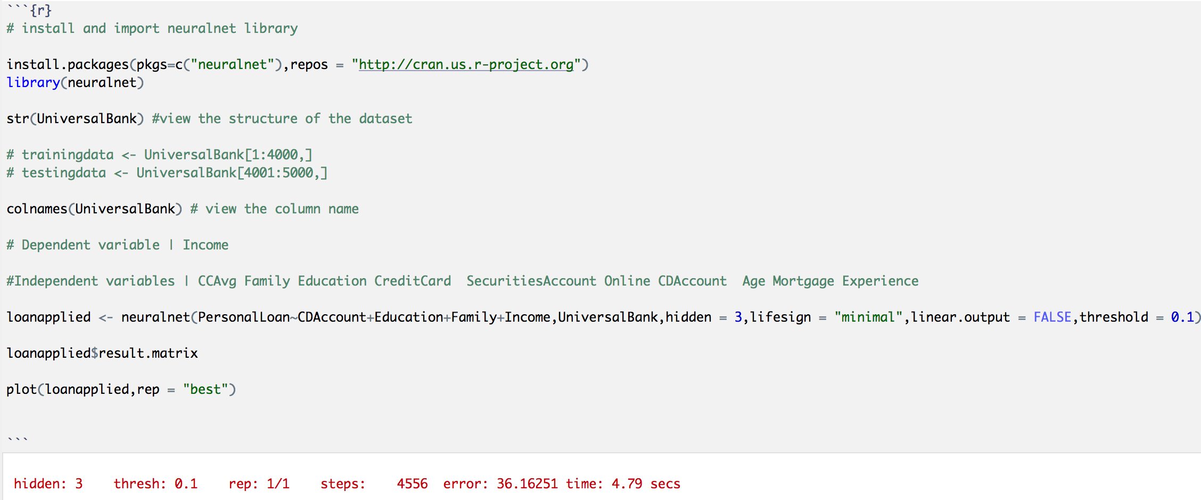
 |  |  |  |  |  | Output
 |  |  |  |  |  | Variables | Description | Coefficient Value | Input Value | Value
Neural network Values |  | Hidden Node 1 |  |  |  | Intercept.to.PersonalLoan | Always 1 | 1.492241 | 1 | 1.492241
error | 36.16251 | Variables | Description | Coefficient Value | Value | 1layhid1.to.PersonalLoan | Hidden Node 1 - Probability Value | -15.74031 | 79% | -12.4154386
reached.threshold | 0.09336381 | (Intercept) | Always 1 | 11.68789 | 11.68789 | 1layhid2.to.PersonalLoan | Hidden Node 2 - Probability Value | -219.5105 | 0% | -0.0073717956738
steps | 4556 | CDAccount | Checkings/Deposit Account ( 0 or 1) | -3.113323 | -3.113323 | 1layhid3.to.PersonalLoan | Hidden Node 3 - Probability Value | 11.07847 | 95% | 10.512824707
Intercept.to.1layhid1 | 11.68789 | Education | Education Level (1,2,3) | 0.4427651 | 0.8855302
CDAccount.to.1layhid1 | -3.113323 | Family | Family Size | -0.03546117 | -0.17730585 |  |  |  | U --> Sum= | -0.41774468924
Education.to.1layhid1 | 0.4427651 | Income | Income of Customer in Thousands USD | -0.09956602 | -7.9652816 |  |  |  | EXP(U) | 0.65853033684
Family.to.1layhid1 | -0.03546117 |  |  | U --> Sum= | 1.31750975 |  |  |  | 1+EXP(U) | 1.6585303368
Income.to.1layhid1 | -0.09956602 |  |  | EXP(U) | 3.7341109197 |  |  |  | Probability | 40%
Intercept.to.1layhid2 | 2.850576 |  |  | 1+EXP(U) | 4.7341109197 | Variables | Description | Input Value
CDAccount.to.1layhid2 | 0.511517 |  |  | Probability | 79% | (Intercept) | Always 1 | 1
Education.to.1layhid2 | -3.716309 |  |  |  |  | CDAccount | Checkings/Deposit Account ( 0 or 1) | 1
Family.to.1layhid2 | -1.357596 | Hidden Node 2 |  |  |  | Education | Education Level (1,2,3) | 2 |  |  | Family
Income.to.1layhid2 | 0.006963057 | Variables | Description | Coefficient Value | Value | Family | Family Size | 5 | Income | 40% | 1 | 2 | 3 | 4 | 5 | 6 | 7
Intercept.to.1layhid3 | -8.240175 | (Intercept) | Always 1 | 2.850576 | 2.850576 | Income | Income of Customer in Thousands USD | 80 |  | 0 | 0% | 0% | 0% | 0% | 0% | 0% | 0%
CDAccount.to.1layhid3 | -11.16644 | CDAccount | Checkings/Deposit Account ( 0 or 1) | 0.511517 | 0.511517 |  |  |  |  | 5 | 0% | 0% | 0% | 0% | 0% | 0% | 0%
Education.to.1layhid3 | -10.52586 | Education | Education Level (1,2,3) | -3.716309 | -7.432618 |  |  |  |  | 10 | 0% | 0% | 0% | 0% | 0% | 0% | 0%
Family.to.1layhid3 | 1.369947 | Family | Family Size | -1.357596 | -6.78798 |  |  |  |  | 15 | 0% | 0% | 0% | 0% | 0% | 0% | 0%
Income.to.1layhid3 | 0.4566373 | Income | Income of Customer in Thousands USD | 0.006963057 | 0.55704456 |  |  |  |  | 20 | 0% | 0% | 0% | 0% | 0% | 0% | 0%
Intercept.to.PersonalLoan | 1.492241 |  |  | U --> Sum= | -10.30146044 |  |  |  |  | 25 | 0% | 0% | 0% | 0% | 0% | 0% | 0%
1layhid1.to.PersonalLoan | -15.74031 |  |  | EXP(U) | 3.3584011918E-05 |  |  |  |  | 30 | 0% | 0% | 0% | 0% | 0% | 0% | 0%
1layhid2.to.PersonalLoan | -219.5105 |  |  | 1+EXP(U) | 1.000033584 |  |  |  |  | 35 | 0% | 0% | 0% | 0% | 0% | 0% | 0%
1layhid3.to.PersonalLoan | 11.07847 |  |  | Probability | 0% |  |  |  |  | 40 | 0% | 0% | 0% | 0% | 0% | 0% | 0%
 |  |  |  |  |  |  |  |  |  | 45 | 0% | 0% | 0% | 0% | 0% | 0% | 0%
 |  | Hidden Node 3 |  |  |  |  |  |  |  | 50 | 0% | 0% | 0% | 0% | 0% | 0% | 0%
 |  | Variables | Description | Coefficient Value | Value |  |  |  |  | 55 | 0% | 0% | 0% | 0% | 0% | 0% | 0%
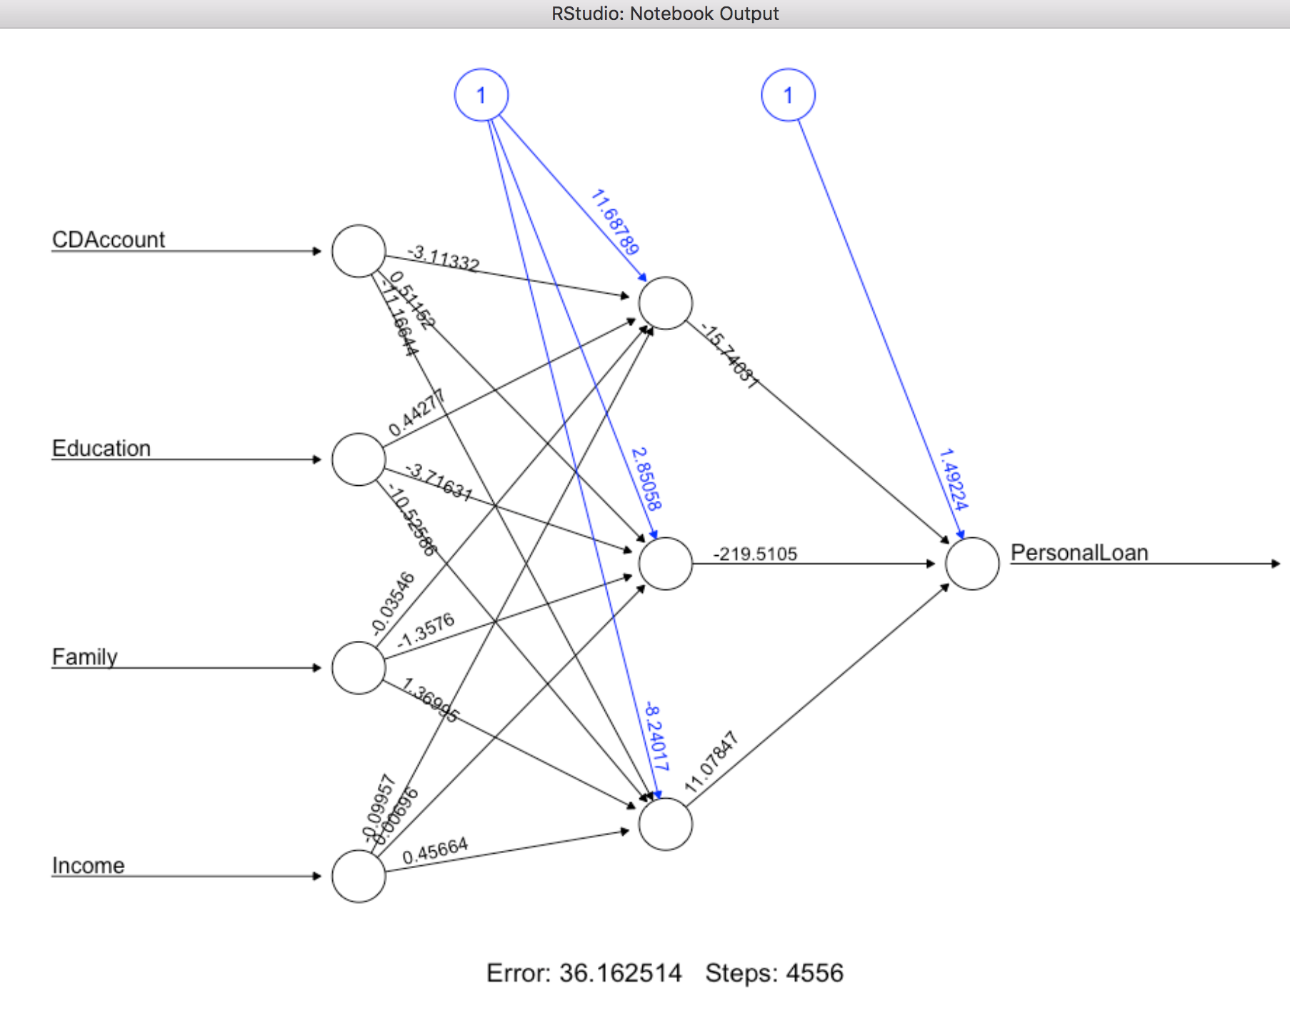
 |  | (Intercept) | Always 1 | -8.240175 | -8.240175 |  |  |  |  | 60 | 0% | 0% | 0% | 0% | 0% | 0% | 0%
 |  | CDAccount | Checkings/Deposit Account ( 0 or 1) | -11.16644 | -11.16644 |  |  |  |  | 65 | 0% | 0% | 0% | 0% | 0% | 0% | 0%
 |  | Education | Education Level (1,2,3) | -10.52586 | -21.05172 |  |  |  |  | 70 | 0% | 0% | 0% | 0% | 0% | 0% | 1%
 |  | Family | Family Size | 1.369947 | 6.849735 |  |  |  |  | 75 | 0% | 0% | 0% | 0% | 1% | 10% | 23%
 |  | Income | Income of Customer in Thousands USD | 0.4566373 | 36.530984 |  |  |  |  | 80 | 0% | 0% | 1% | 13% | 40% | 52% | 58%
 |  |  |  | U --> Sum= | 2.922384 |  |  |  |  | 85 | 0% | 13% | 61% | 78% | 83% | 85% | 87%
 |  |  |  | EXP(U) | 18.58554262 |  |  |  |  | 90 | 45% | 90% | 95% | 96% | 97% | 97% | 98%
 |  |  |  | 1+EXP(U) | 19.58554262 |  |  |  |  | 95 | 94% | 99% | 99% | 99% | 100% | 100% | 100%
 |  |  |  | Probability | 95% |  |  |  |  | 100 | 99% | 100% | 100% | 100% | 100% | 100% | 100%
 |  |  |  |  |  |  |  |  |  | 105 | 100% | 100% | 100% | 100% | 100% | 100% | 100%
 |  |  |  |  |  |  |  |  |  | 110 | 100% | 100% | 100% | 100% | 100% | 100% | 100%
 |  |  |  |  |  |  |  |  |  | 115 | 100% | 100% | 100% | 100% | 100% | 100% | 100%
 |  |  |  |  |  |  |  |  |  | 120 | 100% | 100% | 100% | 100% | 100% | 100% | 100%
 |  |  |  |  |  |  |  |  |  | 125 | 100% | 100% | 100% | 100% | 100% | 100% | 100%
 |  |  |  |  |  |  |  |  |  | 130 | 100% | 100% | 100% | 100% | 100% | 100% | 100%
 |  |  |  |  |  |  |  |  |  | 135 | 100% | 100% | 100% | 100% | 100% | 100% | 100%
 |  |  |  |  |  |  |  |  |  | 140 | 100% | 100% | 100% | 100% | 100% | 100% | 100%
 |  |  |  |  |  |  |  |  |  | 145 | 100% | 100% | 100% | 100% | 100% | 100% | 100%
 |  |  |  |  |  |  |  |  |  | 150 | 100% | 100% | 100% | 100% | 100% | 100% | 100%
 |  |  |  |  |  |  |  |  |  | 155 | 100% | 100% | 100% | 100% | 100% | 100% | 100%
 |  |  |  |  |  |  |  |  |  | 160 | 100% | 100% | 100% | 100% | 100% | 100% | 100%
 |  |  |  |  |  |  |  |  |  | 165 | 100% | 100% | 100% | 100% | 100% | 100% | 100%
 |  |  |  |  |  |  |  |  |  | 170 | 100% | 100% | 100% | 100% | 100% | 100% | 100%
 |  |  |  |  |  |  |  |  |  | 175 | 100% | 100% | 100% | 100% | 100% | 100% | 100%
 |  |  |  |  |  |  |  |  |  | 180 | 100% | 100% | 100% | 100% | 100% | 100% | 100%
 |  |  |  |  |  |  |  |  |  | 185 | 100% | 100% | 100% | 100% | 100% | 100% | 100%
 |  |  |  |  |  |  |  |  |  | 190 | 100% | 100% | 100% | 100% | 100% | 100% | 100%
 |  |  |  |  |  |  |  |  |  | 195 | 100% | 100% | 100% | 100% | 100% | 100% | 100%
 |  |  |  |  |  |  |  |  |  | 200 | 100% | 100% | 100% | 100% | 100% | 100% | 100%
 |  |  |  |  |  |  |  |  |  | 205 | 100% | 100% | 100% | 100% | 100% | 100% | 100%
 |  |  |  |  |  |  |  |  |  | 210 | 100% | 100% | 100% | 100% | 100% | 100% | 100%
 |  |  |  |  |  |  |  |  |  | 215 | 100% | 100% | 100% | 100% | 100% | 100% | 100%
 |  |  |  |  |  |  |  |  |  | 220 | 100% | 100% | 100% | 100% | 100% | 100% | 100%
 |  |  |  |  |  |  |  |  |  | 225 | 100% | 100% | 100% | 100% | 100% | 100% | 100%
 |  |  |  |  |  |  |  |  |  | 230 | 100% | 100% | 100% | 100% | 100% | 100% | 100%
 |  |  |  |  |  |  |  |  |  | 235 | 100% | 100% | 100% | 100% | 100% | 100% | 100%
 |  |  |  |  |  |  |  |  |  | 240 | 100% | 100% | 100% | 100% | 100% | 100% | 100%
 |  |  |  |  |  |  |  |  |  | 245 | 100% | 100% | 100% | 100% | 100% | 100% | 100%
 |  |  |  |  |  |  |  |  |  | 250 | 100% | 100% | 100% | 100% | 100% | 100% | 100%

